BUGS
Nro | TITLE | DESCRIPTION | STEPS TO REPRODUCE | SEVERITY | ACTUAL RESULT | ATTACHMENTS
100 | Incomplete error handling due to invalid product data in bode response | when the user tries to search a product by id product un swggaer or postman tool then in bode response show incomplete message code status | 1.- Authenticate in postman or swagger http://localhost:5044/swagger/index.html 2.- execute the get method by invalid id example "5" 3.- Watch the incomplete message in body response in postman or in the image in attachment seccion | Low | Incomplete error message is displayed not giving a properly feedback | 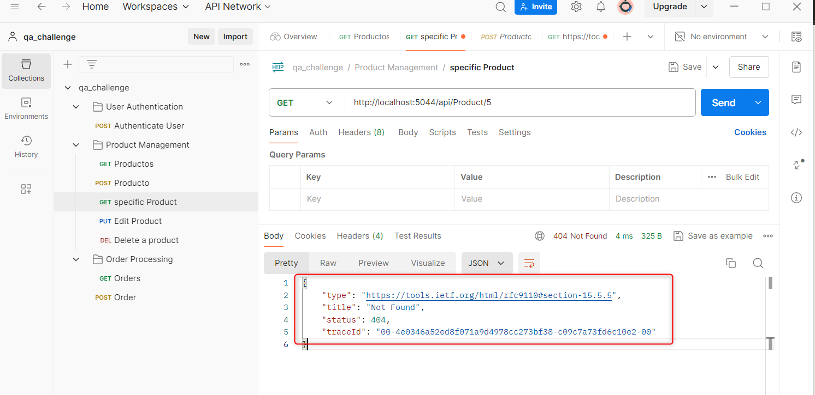
101 | User unable to log out from web app | when a user wants to log out from the web app then is not possible | 1.- Go to http://localhost:3000/login and be logged 2.- Watch the log out doesnt exist in any page from the app | High | Log out tab doesn´t exist in the web app | 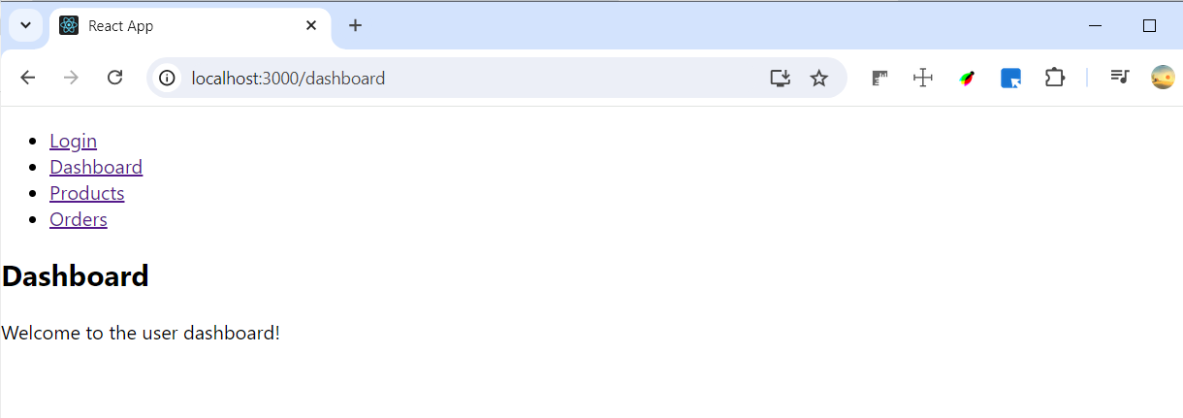
102 | User dashboard data page is not displayed and refreshed | When a user wants to watch his information then dashboard user page is not refreshed | 1.- Go to http://localhost:3000/login and be logged 2.- Click on the dashboard tab 3.- Notice the information is not displayed and refreshed with new data | High | On the dashboard user page, this informative message “Welcome to the user dashboard!” is permanently displayed. | 